Sheet1
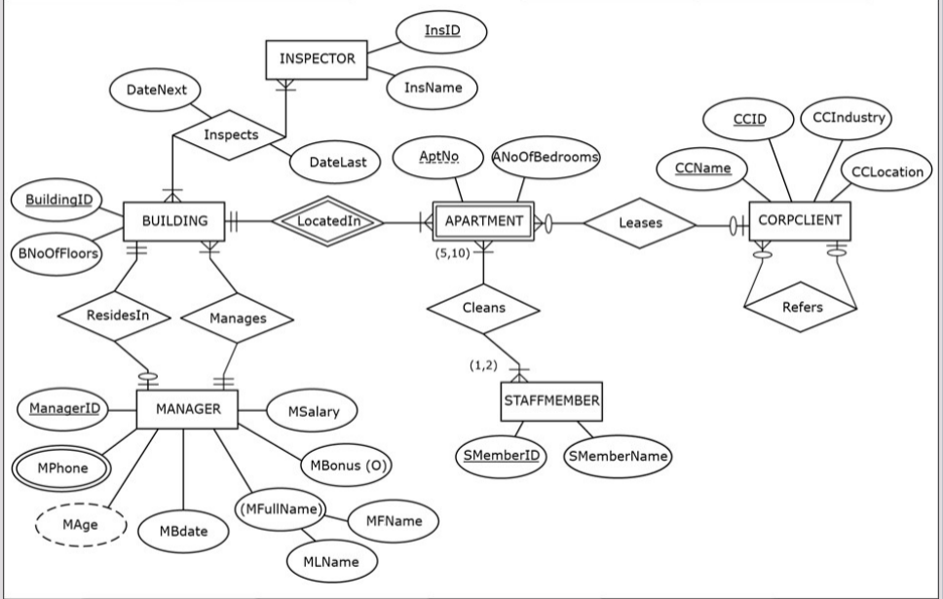

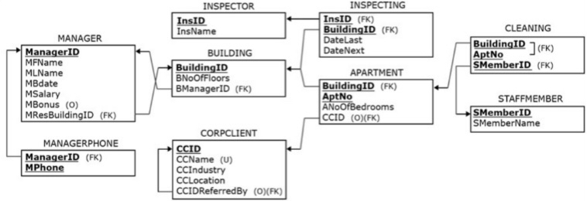

Entity: Inspector
Field Name | Description | Type | Specifications | Default | Required | Unique | Key(s)
InsID | Inspector's ID | Character | 3 alpha-numeric characters |  | Yes | Yes | PK
InsName | Inspector's First Name | Character | 15 alpha-numeric characters |  | Yes | No

Entity: Building
Field Name | Description | Type | Specifications | Default | Required | Unique | Key(s)
BuildingID | Building ID Number | Character | 3 alpha-numeric characters |  | Yes | Yes | PK
BNoOfFloors | Number Of Floors | Integer | numeric characters |  | Yes | No
BMangerID | Building Manger ID | Character | 4 alpha-numeric characters |  | Yes | No | FK

Entity: Aparment
Field Name | Description | Type | Specifications | Default | Required | Unique | Key(s)
BuildingID | Building ID | Character | 3 alpha-numeric characters |  | Yes | Yes | PK,FK
AptNo | Apartment Number | Integer | 5 numeric characters |  | Yes | Yes | PK
ANoOfBedrooms | Amount # of Bedrooms | Integer | numeric characters |  | Yes | No
CCID | Corp Client ID | Character | 4 alpha-numeric characters |  | No | No | FK

Entity: Inspecting
Field Name | Description | Type | Specifications | Default | Required | Unique | Key(s)
InsID | Inspector's ID Number | Character | 3 alpha-numeric characters |  | Yes | Yes | PK,FK
BuildingID | Building ID Number | Character | 3 numeric characters |  | Yes | Yes | PK,FK
DateLast | Date Inspector Last inspected building | Date | YYYY/MM/DD Format |  | Yes | No
DateNext | Date Inspector will inspect next building | Date | YYYY/MM/DD Format |  | Yes | No

Entity: Manager
Field Name | Description | Type | Specifications | Default | Required | Unique | Key(s)
MangerID | Inspector's ID Number | Character | 4 alpha-numeric characters |  | Yes | Yes | PK,FK
MFirstName | Manger's First Name | Character | 15 alpha-numeric characters |  | Yes | Yes | PK,FK
MLName | Manger's Last Name | Character | 15 alpha-numeric characters |  | Yes | No
MBDate | Date Inspector will inspect next building | Date | YYYY/MM/DD Format |  | Yes | No
MSalary | Manger Salary | Integer | (9,2) numeric characters |  | Yes | No
MBonus | Manger Bonus | Integer | (9,2) numeric characters |  | No | No
MResBuildingID | Building ID manager is responsible for | Character | 3 alpha-numeric characters |  | Yes | No | FK

Entity: Corpclient
Field Name | Description | Type | Specifications | Default | Required | Unique | Key(s)
CCID | Corp Client ID | Character | 4 alpha-numeric characters |  | Yes | Yes | PK
CCName | Corp Client Name | Character | 25 alpha-numeric characters |  | Yes | No
CCIndustry | Corp Client Industry category | Character | 25 alpha-numeric characters |  | Yes | No
CCLocation | Corp Client location | Character | 25 alpha-numeric characters |  | Yes | No
CCIDReferredBy | Corp Client reffered by | Character | 4 alpha-numeric characters |  | No | No | FK

Entity: Cleaning
Field Name | Description | Type | Specifications | Default | Required | Unique | Key(s)
BuildingID | Building ID Number | Character | 3 alpha-numeric characters |  | Yes | Yes | PK,FK
AptNo | Apartment Number | Integer | 5 numeric characters |  | Yes | Yes | PK,FK
SMemberID | Staff Member ID | Integer | 4 numeric characters |  | Yes | Yes | PK,FK

Entity: Manager Phone
Field Name | Description | Type | Specifications | Default | Required | Unique | Key(s)
MangerID | Manger ID | Character | 4 alpha-numeric characters |  | Yes | Yes | PK,FK
MPhone | Manger Phone Number | Integer | 11 numeric characters (Phone Number) |  | Yes | Yes | PK,FK

Entity: Staff Member
Field Name | Description | Type | Specifications | Default | Required | Unique | Key(s)
SMemberID | Staff Member ID | Integer | 4 numeric characters |  | Yes | Yes | PK,FK
SMemberName | Staff Member Name | Character | 15 alpha-numeric characters |  | Yes | No

